Winery
HOME
Total Winery Based On Different Categories of Grapes
 |  | `
Winery | Count of Variety of Grapes
Naggiar | 51
Testarossa | 47
Lynmar | 41
Gary Farrell | 35
Fess Parker | 33
Williams Selyem | 31
Terre Rouge | 31
Dutton-Goldfield | 29
Balletto | 29
J. Lohr | 27
Grand Total | 354

Province
HOME
Province Wise Wine Distribution
Province | Count of Variety of Grapes
California | 6325
Grand Total | 6325

Costly wine Bottles
HOME
Top 10 Costly Wine Bottles
Name Of Bottle | Max of Price
Intrepid | $750.00
Family Reserve | $625.00
Double Plus Estate Grown | $500.00
The Bishop | $325.00
Hillside Select | $265.00
Reserve | $260.00
Cask 23 Estate | $260.00
Beckstoffer Las Piedras Heritage Single Vineyard | $250.00
Insignia 40th Vintage Estate Grown | $250.00
Joy! Estate Bottled | $250.00
Grand Total | $750.00

Cheap and High rated Wine
HOME

Top Rated Wine Bottles
Name Of Wine | Max of Points | Min of Price
Bucher Vineyard | 97 | $45.00
Coastlands Vineyard | 98 | $75.00
Diane Cobb Coastlands Vineyard | 97 | $85.00
Five Sisters | 97 | $100.00
Garys' Vineyard | 97 | $55.00
Hillside Select | 98 | $265.00
Insignia 40th Vintage Estate Grown | 98 | $250.00
Joy! Estate Bottled | 98 | $250.00
The Traveler | 98 | $150.00
Wayfarer Vineyard | 98 | $80.00
Grand Total | 98 | 45

High Rated Companies
HOME

High Rated Companies
Name Of Company | Sum of Points | Count of Province
Arista 2014 UV El Diablo Vineyard Chardonnay (Russian River Valley) | 188 | 2
August West 2015 Graham Family Vineyard Pinot Noir (Russian River Valley) | 188 | 2
Beaulieu Vineyard 2013 Georges de Latour Private Reserve Cabernet Sauvignon (Rutherford) | 188 | 2
Breathless NV Brut Sparkling (North Coast) | 265 | 3
Epoch Estate Wines 2013 Authenticity Red (Paso Robles) | 188 | 2
Freeman 2012 Gloria Estate Pinot Noir (Russian River Valley) | 188 | 2
Gloria Ferrer NV Sonoma Brut Sparkling (Sonoma County) | 270 | 3
Iron Horse 2013 Wedding CuvÃ©e Sparkling (Green Valley) | 188 | 2
Riverbench 2012 Cork Jumper RosÃ© Blanc de Noirs Pinot Noir (Santa Maria Valley) | 272 | 3
Seven Deadly Zins 2011 Old Vine Zinfandel (Lodi) | 257 | 3
Grand Total | 2192 | 24

Dashboard
Dashboard of Wine Analysis Based On Various Constraints

High Rated Companies
 | Sum of Points | Count of Province
Arista 2014 UV El Diablo Vineyard Chardonnay (Russian River Valley) | 188 | 2
August West 2015 Graham Family Vineyard Pinot Noir (Russian River Valley) | 188 | 2
Beaulieu Vineyard 2013 Georges de Latour Private Reserve Cabernet Sauvignon (Rutherford) | 188 | 2
Breathless NV Brut Sparkling (North Coast) | 265 | 3
Epoch Estate Wines 2013 Authenticity Red (Paso Robles) | 188 | 2
Freeman 2012 Gloria Estate Pinot Noir (Russian River Valley) | 188 | 2
Gloria Ferrer NV Sonoma Brut Sparkling (Sonoma County) | 270 | 3
Iron Horse 2013 Wedding CuvÃ©e Sparkling (Green Valley) | 188 | 2
Riverbench 2012 Cork Jumper RosÃ© Blanc de Noirs Pinot Noir (Santa Maria Valley) | 272 | 3
Seven Deadly Zins 2011 Old Vine Zinfandel (Lodi) | 257 | 3
Total Winery Based On Different Categories of Grapes
 | Total
Naggiar | 51
Testarossa | 47
Lynmar | 41
Gary Farrell | 35
Fess Parker | 33
Williams Selyem | 31
Terre Rouge | 31
Dutton-Goldfield | 29
Balletto | 29
J. Lohr | 27
Province Wise Wine Distribution
 | Total
California | 6325

Top Rated Wine Bottles
 | Max of Points | Min of Price
Bucher Vineyard | 97 | $45.00
Coastlands Vineyard | 98 | $75.00
Diane Cobb Coastlands Vineyard | 97 | $85.00
Five Sisters | 97 | $100.00
Garys' Vineyard | 97 | $55.00
Hillside Select | 98 | $265.00
Insignia 40th Vintage Estate Grown | 98 | $250.00
Joy! Estate Bottled | 98 | $250.00
The Traveler | 98 | $150.00
Wayfarer Vineyard | 98 | $80.00
Top 10 Costly Wine Bottles
 | Total
Intrepid | $750.00
Family Reserve | $625.00
Double Plus Estate Grown | $500.00
The Bishop | $325.00
Hillside Select | $265.00
Reserve | $260.00
Cask 23 Estate | $260.00
Beckstoffer Las Piedras Heritage Single Vineyard | $250.00
Insignia 40th Vintage Estate Grown | $250.00
Joy! Estate Bottled | $250.00

Home
Welcome to Wine Analysis
TOP Wineries

CLICK BELOW
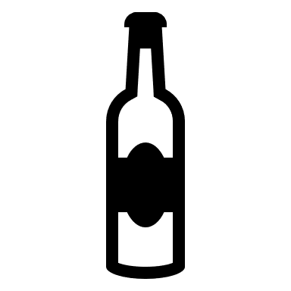
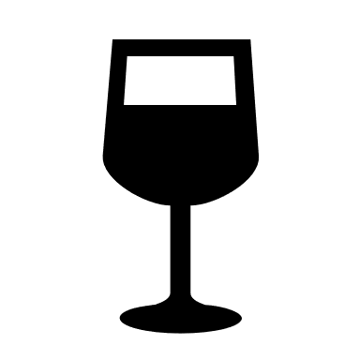
Wine Production

DASHBOARD
Costly Wine Bottles


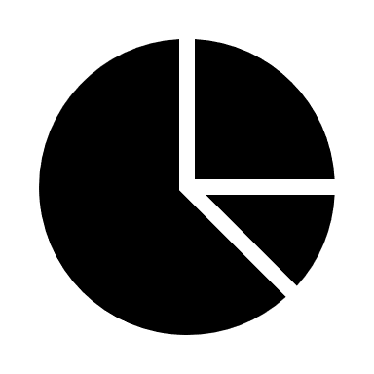
High Rated Wine


High Rated Companies

We had made a wide range of analytics based on our regular and experted wine analysts.The count above is number of Wine Enthusiasts who has given feedback about various wineries in various regions.
Various pivot charts are made to
analyse the raw data provided
in huge Excel and created a speical dashboard in
which we can search and analyze the needy.
This Analysis was based on various regions
in US and the information is taken
about multiple number of MNC's
established in various regions.

